LTS
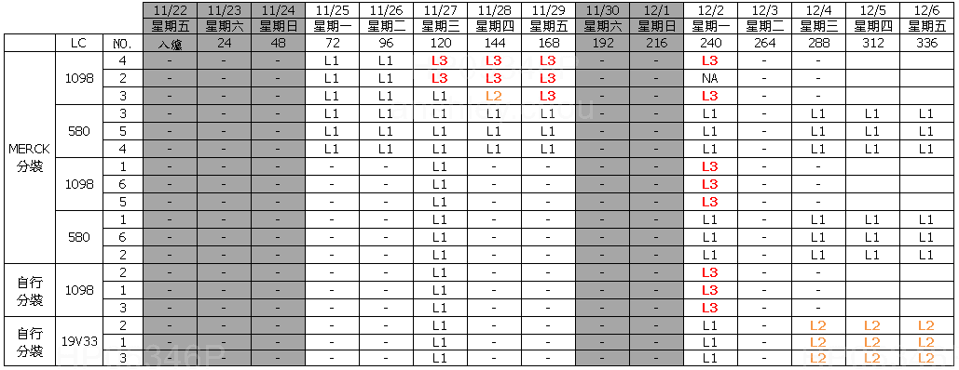
項目 | LC | PI | Sealant | LTS result (1st NG Day) | Measure condition (Bulk/Test Cell) | Measure condition (SLV%, Fresh=100%) | Measure condition (Jar test add on Sealant) | Measure condition (℃) | Vender | File source
LTS | SLC19V33 | N.A. | N.A. | 10 | Bulk | 100% | 723K1M | -20 | Slichem | 6512_19V33_LTS-40_20200902.xlsx
LTS | SLC19V33 | N.A. | N.A. | 10 | Bulk | 100% | 723K1M | -30 | Slichem | 6512_19V33_LTS-40_20200902.xlsx
LTS | SLC19V33 | N.A. | N.A. | 7 | Bulk | 100% | 723K1M | -40 | Slichem | 6512_19V33_LTS-40_20200902.xlsx
LTS | SLC19V33 | SE-7492 | XN-5490H | 10 | Test Cell | 100% | 723K1M | -30 | Slichem | 6512_19V33_LTS-40_20200902.xlsx
LTS | SLC19V33 | SE-7492 | XN-5490H | 8 | Test Cell | 100% | 723K1M | -40 | Slichem | 6512_19V33_LTS-40_20200902.xlsx
LTS | SLC19V33 | SE-7492 | XN-5490H | 3 | Test Cell | 100% | 723K1M | -50 | Slichem | 6512_19V33_LTS-40_20200902.xlsx
LTS | LCT-15-1098 | N.A. | N.A. | 10 | Bulk | 100% | 723K1M | -20 | Slichem | 6512_19V33_LTS-40_20200902.xlsx
LTS | LCT-15-1098 | N.A. | N.A. | 10 | Bulk | 100% | 723K1M | -30 | Slichem | 6512_19V33_LTS-40_20200902.xlsx
LTS | LCT-15-1098 | N.A. | N.A. | 5 | Bulk | 100% | 723K1M | -40 | Slichem | 6512_19V33_LTS-40_20200902.xlsx
LTS | LCT-15-1098 | SE-7492 | XN-5490H | 10 | Test Cell | 100% | 723K1M | -30 | Slichem | 6512_19V33_LTS-40_20200902.xlsx
LTS | LCT-15-1098 | SE-7492 | XN-5490H | 8 | Test Cell | 100% | 723K1M | -40 | Slichem | 6512_19V33_LTS-40_20200902.xlsx
LTS | LCT-15-1098 | SE-7492 | XN-5490H | 2 | Test Cell | 100% | 723K1M | -50 | Slichem | 6512_19V33_LTS-40_20200902.xlsx
LTS | SLC19V33 | N.A. | N.A. | 10 | Bulk | 95% | N.A. | -20 | Slichem | 6512_19V33_LTS-40_20200902.xlsx
LTS | SLC19V33 | N.A. | N.A. | 12 | Bulk | 95% | N.A. | -30 | Slichem | 6512_19V33_LTS-40_20200902.xlsx
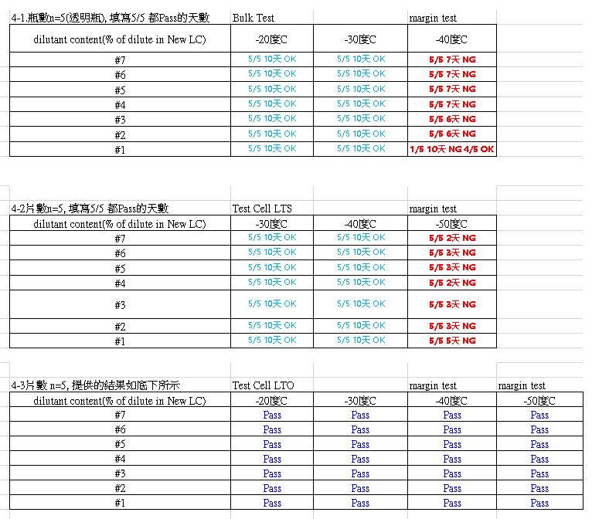
LTS | SLC19V33 | N.A. | N.A. | 3 | Bulk | 95% | N.A. | -40 | Slichem | 6512_19V33_LTS-40_20200902.xlsx
LTS | SLC19V33 | SE-7492 | XN-5490H | 10 | Test Cell | 95% | N.A. | -30 | Slichem | 6512_19V33_LTS-40_20200902.xlsx
LTS | SLC19V33 | SE-7492 | XN-5490H | 12 | Test Cell | 95% | N.A. | -40 | Slichem | 6512_19V33_LTS-40_20200902.xlsx
LTS | SLC19V33 | SE-7492 | XN-5490H | 2 | Test Cell | 95% | N.A. | -50 | Slichem | 6512_19V33_LTS-40_20200902.xlsx
LTS | SLC19V33 | N.A. | N.A. | 10 | Bulk | 90% | N.A. | -20 | Slichem | 6512_19V33_LTS-40_20200902.xlsx
LTS | SLC19V33 | N.A. | N.A. | 12 | Bulk | 90% | N.A. | -30 | Slichem | 6512_19V33_LTS-40_20200902.xlsx
LTS | SLC19V33 | N.A. | N.A. | 5 | Bulk | 90% | N.A. | -40 | Slichem | 6512_19V33_LTS-40_20200902.xlsx
LTS | SLC19V33 | SE-7492 | XN-5490H | 10 | Test Cell | 90% | N.A. | -30 | Slichem | 6512_19V33_LTS-40_20200902.xlsx
LTS | SLC19V33 | SE-7492 | XN-5490H | 12 | Test Cell | 90% | N.A. | -40 | Slichem | 6512_19V33_LTS-40_20200902.xlsx
LTS | SLC19V33 | SE-7492 | XN-5490H | 2 | Test Cell | 90% | N.A. | -50 | Slichem | 6512_19V33_LTS-40_20200902.xlsx
LTS | SLC19V33 | N.A. | N.A. | 10 | Bulk | 85% | N.A. | -20 | Slichem | 6512_19V33_LTS-40_20200902.xlsx
LTS | SLC19V33 | N.A. | N.A. | 12 | Bulk | 85% | N.A. | -30 | Slichem | 6512_19V33_LTS-40_20200902.xlsx
LTS | SLC19V33 | N.A. | N.A. | 5 | Bulk | 85% | N.A. | -40 | Slichem | 6512_19V33_LTS-40_20200902.xlsx
LTS | SLC19V33 | SE-7492 | XN-5490H | 10 | Test Cell | 85% | N.A. | -30 | Slichem | 6512_19V33_LTS-40_20200902.xlsx
LTS | SLC19V33 | SE-7492 | XN-5490H | 12 | Test Cell | 85% | N.A. | -40 | Slichem | 6512_19V33_LTS-40_20200902.xlsx
LTS | SLC19V33 | SE-7492 | XN-5490H | 2 | Test Cell | 85% | N.A. | -50 | Slichem | 6512_19V33_LTS-40_20200902.xlsx
LTS | LCT-15-1098 | N.A. | N.A. | 10 | Bulk | 100% | N.A. | -30 | INX | Bulk LTS.xlsx
LTS | LCT-19-580 | N.A. | N.A. | 14 | Bulk | 100% | N.A. | -30 | INX | Bulk LTS.xlsx
LTS | SLC19V33 | N.A. | N.A. | 12 | Bulk | 100% | N.A. | -30 | INX | Bulk LTS.xlsx
LTS | LCT-15-1098 | N.A. | N.A. | 5 | Bulk | 100% | N.A. | -30 | INX | 1098 like 液晶TR2評選_20210528(更正CR).pptx
LTS | BY20-Q18F | N.A. | N.A. | 4 | Bulk | 100% | N.A. | -30 | INX | 1098 like 液晶TR2評選_20210528(更正CR).pptx
LTS | SLC20V87 | N.A. | N.A. | 11 | Bulk | 100% | N.A. | -30 | INX | 1098 like 液晶TR2評選_20210528(更正CR).pptx
LTS | ILD843001 | N.A. | N.A. | 21 | Bulk | 100% | N.A. | -30 | INX | 1098 like 液晶TR2評選_20210528(更正CR).pptx
LTS | ZIX-7054XX | N.A. | N.A. | 11 | Bulk | 100% | N.A. | -30 | INX | 1098 like 液晶TR2評選_20210528(更正CR).pptx
LTS | BY20-Q18F | N.A. | N.A. | 4 | Bulk | 100% | N.A. | -40 | INX | 1098 like 液晶TR2評選_20210528(更正CR).pptx
LTS | SLC20V87 | N.A. | N.A. | 4 | Bulk | 100% | N.A. | -40 | INX | 1098 like 液晶TR2評選_20210528(更正CR).pptx
LTS | ILD843001 | N.A. | N.A. | 8 | Bulk | 100% | N.A. | -40 | INX | 1098 like 液晶TR2評選_20210528(更正CR).pptx
LTS | ZIX-7054XX | N.A. | N.A. | 4 | Bulk | 100% | N.A. | -40 | INX | 1098 like 液晶TR2評選_20210528(更正CR).pptx

